Marks Statistics
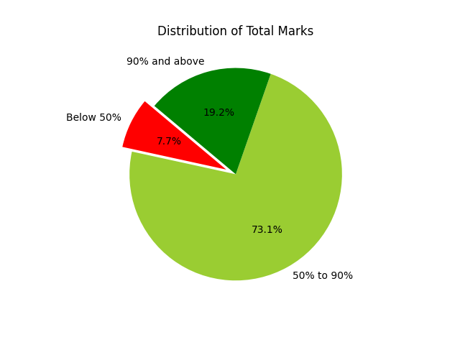
 | Count
Total Marks Average | 72.742307692
Below 50% | 2
50% to 90% | 19
90% and above | 5

